Introduction

VALUATION & RESEARCH SPECIALISTS (VRS)
Equity Research, Corporate Valuation
& Financial Consultancy
104 Eolou St., 105 64 Athens, Greece, Tel. +30 210 32 19 557,
Fax: +30 210 33 16 358, Email: info@vrs.gr ; info@valueinvest.gr
Web: www.vrs.gr ; www.valueinvest.gr ; www.iraj.gr
DISCLOSURE STATEMENT (1)
VALUATION & RESEARCH SPECIALISTS (VRS) is an independent firm providing advanced equity research, quality valuations and value-related advisory services to local and international business entities and / or communities. VRS services include valuations of intangible assets, business enterprises, and fixed assets. VRS’s focus business is in providing independent equity research to its institutional and retail clients / subscribers.
VRS is not a brokerage firm and does not trade in securities of any kind. VRS is not an investment bank and does not act as an underwriter for any type of securities.
VRS accepts fees from the companies it covers and researches (the “covered companies”), and from major financial institutions. The sole purpose of this policy is to defray the cost of researching small and medium capitalization stocks which otherwise receive little research coverage. In this manner VRS can minimize fees to its clients / subscribers and thus broaden investor’s attention to the “covered companies.”
VRS analysts are compensated on a per-company basis and not on the basis of their recommendations. Analysts are not allowed to solicit prospective “covered companies” for research coverage by VRS and are not allowed to accept any fees or other consideration from the companies they cover for VRS. Analysts are also not allowed to trade in the shares, warrants, convertible securities, or options of companies they cover for VRS.
Furthermore, VRS, its officers, and directors cannot trade in shares, warrants, convertible securities or options of any of the “covered companies.” VRS accepts payment for research only in cash and will not accept payment in shares, warrants, convertible securities or options of “covered companies” by no means.
To ensure complete independence and editorial control over its research, VRS follows certain business practices and compliance procedures, which are also applied internationally. Among other things, fees from “covered companies” are due and payable prior to the commencement of research and, as a contractual right, VRS retains complete editorial control over the research process and the final equity analysis report.
Information contained herein is based on data obtained from recognized statistical services, issue reports or communications, or other sources, believed to be reliable. However, such information has not been verified by VRS, and VRS does not make any representation as to its accuracy and completeness. Opinions, estimates, and statements nonfactual in nature expressed in its research represent VRS’s judgment as of the date of its reports, are subject to change without notice and are provided in good faith and without legal responsibility. In addition, there may be instances when fundamental, technical and quantitative opinions, estimates, and statements may not be in concert. Neither the information nor any opinion expressed shall constitute an offer to sell or a solicitation of an offer to buy any shares, warrants, convertible securities or options of “covered companies” by no means.
DISCLOSURE STATEMENT (2)
The current research report as well as other statements that VRS may proceed with may include future statements, regarding the future financial performance of a company or another entity or product, as well as strategies and expectations. Statements about the future may typically include expressions such as “trend”, “prospect”, “opportunity”, “course”, “believe”, “possibly”, “expect”, “current”, “intention”, “estimate”, “forecast”, continuation”, “remain”, “maintain”, “target” and other similar expressions or future or hypothetical verbs such as “will”, “must”, “could”, “may be” and other expressions.
VALUATION & RESEARCH SPECIALISTS (VRS) caution that forward-looking statements are subject to numerous assumptions, risks and uncertainties, which change over time. Forward-looking statements speak only as of the date they are made, and VRS assumes no duty to and does not undertake to update forward-looking statements. Actual results could differ materially from those anticipated in forward-looking statements and future results could differ materially from historical performance.
In addition to factors previously disclosed in VRS reports and those identified elsewhere in this communication, the following factors, among others, could cause actual results to differ materially from forward-looking statements or historical performance: (1) the introduction, withdrawal, success and timing of business initiatives and strategies; (2) changes in political, economic or industry conditions, the interest rate environment or financial and capital markets, which could result in changes in demand for products or services or in the value of assets under management; (3) the impact of increased competition; (4) the impact of capital improvement projects; (5) the impact of future acquisitions or divestitures; (6) the unfavorable resolution of legal proceedings; (7) the extent and timing of any share repurchases; (8) the impact, extent and timing of technological changes and the adequacy of intellectual property protection; (9) the impact of legislative and regulatory actions and reforms and regulatory, supervisory or enforcement actions of government agencies; (10) terrorist activities and international hostilities, which may adversely affect the general economy, domestic and local financial and capital markets, as well as specific industries; (11) the ability to attract and retain highly talented professionals; (12) fluctuations in foreign currency exchange rates; (13) the impact of changes to tax legislation and, generally, the tax position of the covered company.
COMPLIANCE WITH EU DIRECTIVES and GREEK LAWS
VRS prepares its equity research reports in a best effort to comply with the provisions of the EU Directive 2003/6/EK of the European Commission (L 339/73/24.12.2003, L 096/16/2003), the Guidelines 2003/125/EK and the Decision 4/347/12.7.2005 of the Hellenic Capital Markets Committee, as well as with the provisions of article 14, Greek Law 3340/2005, and the relevant clarifications with regard to the legal obligations of equity analysts. VRS analysts are certified by the Hellenic Capital Markets Committee. The latter may request from VRS analysts to justify their views and conclusions with regard to this research report.
ANALYST CERTIFICATION
The views expressed in this report accurately reflect the personal views of the undersigned analyst(s) about the subject issuer and the securities of the issuer. In addition, the undersigned lead analyst(s) has not and will not receive any compensation for providing a specific recommendation or view in this research report.

Cover
 | Fundamental Analysis of Kri Kri Milk Industry SA Presentation from 2004 to 2015

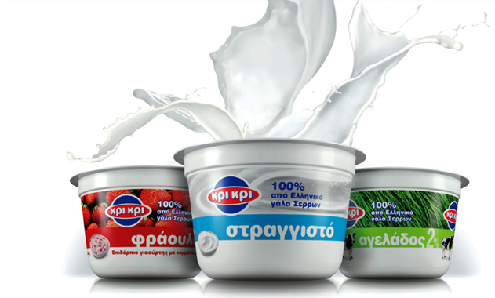

 | Published by Valuation & Research Specialists (VRS) in collaboration with Finance Club of University of Macedonia

Valuation and Research Specialists (VRS) |  | Investment Research & Analysis Journal
www.valueinvest.gr |  | www.iraj.gr

Research_Team
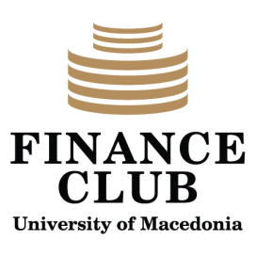

Nicholas Ir. Georgiadis, Director of Equity Research
Nicholas is Partner and Director of Equity Research of VRS. Having gained significant work experience in buy-side and sell-side advising through his employment in top-tier brokerage firms Nicholas founded VRS in 2002. Among others, his recent assignments have been in the areas of corporate valuation, M&A’s advisory, and equity analysis for clients in Greece or abroad. Email account: ngeorgiadis@vrs.gr

In collaboration with

THE FINANCE CLUB OF UNIVERSITY OF MACEDONIA
The Finance Club of University of Macedonia is an independent student organization founded by students of UoM (www.uom.gr) that aims to build strong relations between the market and the University. Though based in the University of Macedonia, it also operates via associates in the Aristotle University of Thessaloniki and other institutions. Our goal is to give our members the chance to view the market in a more practical approach rather than the abstract knowledge offered by the university. In order to achieve this goal, we organize various events like conferences, workshops and seminars. Moreover, we cooperate with companies by taking up real case projects to work on along with the managers of our associated companies. Finally, we are trying to build and expand our network among students, market professionals and professors giving our members a very broad pool of potential partners and employers.
Research Contributors: Konstantinos Andreou

